Sheet1
Weight and bias | Neuron N°1 | Neuron N°2 | Neuron N°3 | Neuron N°4 | Neuron N°5 | Neuron N°6 | Neuron N°7 | Neuron N°8 | Neuron N°9 | Neuron N°10 | Neuron N°11 | Neuron N°12 | Neuron N°13 | Neuron N°14 | Neuron N°15 | Bias of output
H | 0.986 | 0.124 | -0.159 | -0.209 | 0.058 | 0.594 | 0.033 | 0.353 | -0.343 | 0.577 | -0.818 | 0.167 | 0.667 | -0.334 | 0.301 | 0.245
W | 0.790 | 0.416 | 0.030 | 0.827 | 0.822 | 0.560 | -0.213 | -0.314 | 0.647 | 0.307 | -0.386 | 0.565 | -0.057 | -0.420 | -0.591
t | -0.358 | 0.307 | 0.318 | 0.546 | -0.295 | 0.449 | -0.644 | 0.450 | -0.121 | -0.027 | 0.523 | -0.246 | -0.024 | 0.313 | -0.215
L | 0.392 | 0.092 | 0.897 | -0.242 | -0.553 | 0.090 | -0.314 | 0.833 | -0.123 | 0.201 | -0.303 | 0.136 | 0.315 | 0.093 | 0.900
fy | 0.318 | 0.363 | -0.851 | 0.468 | -0.028 | 0.318 | 0.059 | 0.396 | -0.032 | 0.082 | 0.173 | -0.165 | 0.792 | 0.499 | -0.547
f'c | -0.658 | -0.154 | 0.169 | 0.075 | -0.364 | 0.404 | 0.373 | 0.699 | -0.046 | 0.422 | -0.606 | 0.493 | -0.944 | 0.653 | 0.934
Bias of hidden layer | -0.324 | 0.378 | -0.055 | 0.353 | -0.029 | 0.465 | -0.167 | -0.201 | -0.411 | 0.257 | -0.276 | 0.563 | -0.073 | -0.194 | -0.077
Bias of output layer | -0.391 | -0.142 | 0.321 | -0.340 | -0.089 | -0.049 | 0.320 | -0.605 | -0.427 | -0.717 | 0.793 | -0.249 | -0.386 | -0.416 | -0.377

Normalization parameters: is needed before evaluating the AI models
A reverse transformation could be applied to convert data from the normalization space to the real one
Parameter | H | W | t | L | fy | f'c | Pu
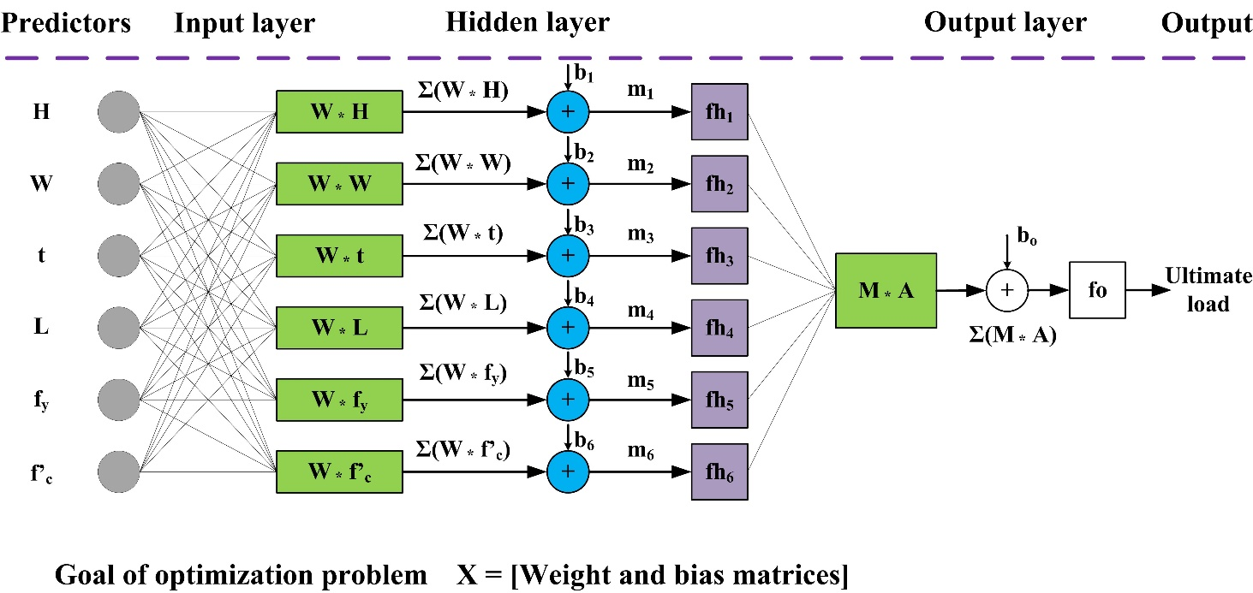
β | 60.00 | 60.00 | 0.70 | 60.00 | 194.00 | 7.90 | 105.40
α | 500.00 | 500.00 | 16.00 | 4500.00 | 835.00 | 164.10 | 17900.00

